Лист1
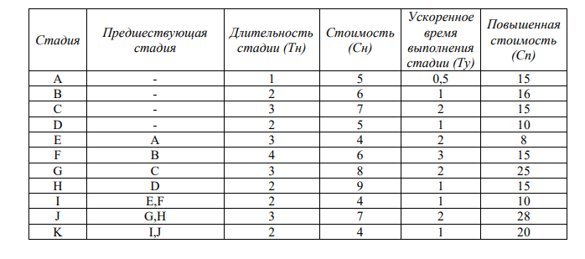
Стадия | Предшеств. | Тн | Сн | Ту | Сn | Z | k | y |  | x | 44.25
A(0,1) |  | 1 | 5 | 0.5 | 15 | 0.5 | 20 | 0.5 | x0 | 0 | 0.5 | 0.5
B(0,2) |  | 2 | 6 | 1 | 16 | 1 | 10 | 1 | x1 | 0.5 | 1 | 1
C(0,3) |  | 3 | 7 | 1 | 15 | 2 | 4 | 1.5 | x2 | 1 | 1.5 | 1.5
D(0,4) |  | 2 | 5 | 1 | 10 | 1 | 5 | 1 | x3 | 1.5 | 1 | 1
E(1,5) | A | 3 | 4 | 1 | 8 | 2 | 2 | 1.5 | x4 | 1 | 1.5 | 1.5
F(2,5) | B | 4 | 6 | 1 | 15 | 3 | 3 | 2 | x5 | 1.5 | 2 | 2
G(3,6) | C | 3 | 8 | 1 | 25 | 2 | 8.5 | 0.5 | x6 | 2 | 0.5 | 2.5
H(4,8) | D | 2 | 9 | 1 | 15 | 1 | 6 | 0 | x7 | 0.5 | 0 | 2
I(5,9) | E,F | 2 | 4 | 1 | 10 | 1 | 6 | 0 | x8 | 0 | 0 | 2
J(6,10) | G,H | 3 | 7 | 1 | 28 | 2 | 10.5 | 0 | x9 | 0 | 0 | 3
I(9,11) | I,J | 2 | 4 | 1 | 20 | 1 | 16 | 0 | x10 | 0 | 0 | 2
 |  |  |  |  |  |  |  |  | x11 | 0 |  | 19
 |  |  |  |  |  |  |  |  |  | 8

20y01+10y02+4y0+5y04+2y15+3y26+8.5y36+6y48+6y59+10,5y610+16y911-> min

x1 >= x0+1-y01
x2 >= x0+2-y02
x3 >= x0+3-y03
x4 >= x0+2-y04
x5 >= x1+3-y15
x6 >= x2+4-y26
x7 >= x3+3-y37
x8 >= x4+2-y48
x9 >= x5+2-y59
x10 >= x6+3-y610
x1 >= x9+2-y911

y01<=0.5
y02<=1
y03<=2
y04<=1
y15<=2
y26<=3
y37<=2
y48<=1
y59<=1
y610<=2
y911<=1

x11<=8

x1…11>=0

